Sheet1
APLab.25 Decomposition Stoichiometry

Enter Data
 | Data |  |  |  | 2 NaHCO3 | ® | Na2CO3 | + | H2O | + | CO2
 | 28.33 | g | mass of empty pan and cork | amount (mol) | 0.3357 |  | 0.1679
 | 56.53 | g | mass of NaHCHO3 pan and cork | molar mass (g/mol) | 84.01 |  | 105.99
 | 46.03 | g | mass of Na2CO3 pan and cork | mass (g) | 28.205 |  | 17.79
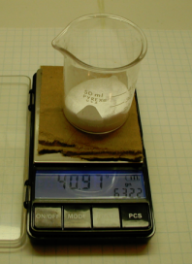
 | 28.205 | g | mass of NaHCO3
 | 17.705 | g | mass of Na2CO3 |  |  | Percent Error | -0.5%

